17-20.HACCP,Artwork&SpecAuthor.
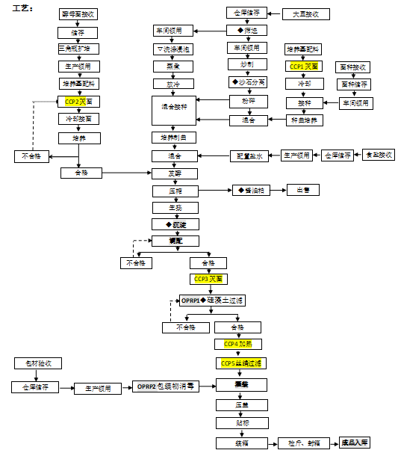
17.Process Flow Chart- (showing all CCPs)
Please provide in the form a Critical Control Point (CCP), a description of the process/packing operations including processing times tempuratures where applicable and in process Safery Control Checks (CCP Summary) and Quality Checks.

18.Critical Control Points
CCP | Control Measure |  | Critical Limit | Monitoring Frequency
CCP1 | Sterilization |  | CL:125-128℃, at leat 35mins | Every batch
CCP2 | Sterilization |  | CL: above 98℃ at leat 35mins | Every batch
CCP3 | Sterilization |  | 1. Plate and frame sterilizer, sterilizing temperature 115-125 ° C, frequency: 33-37 Hz. 2. Coil sterilizer: organic product: heated to 60-70 ° C, maintained for 30 minutes and then continued to heat to 98 ° C or above boiling, maintained for 15 minutes. Non-organic products: heated to 98 ° C or above and boiling for 15 minutes | Every batch
CCP4 | Secondary heating |  | Heat to 60-70 ° C for 15 minutes。 | Every batch
CCP5 | Filter silk |  | Double 80 mesh silk filter before filling | Every batch
19.Artwork
Inner Label / Package Design artwork |  | Outer Label / Package Design artwork
To be provided by the first order
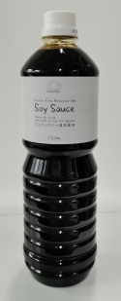

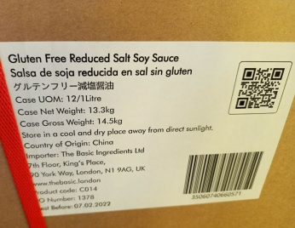
20.Packaging Photos
Finished Product with Primary package | Outer Case (Secondary) |  | Tertiary
 |  |  | N/A
Specification Authorization
1.Product to be supplied in accordance with this agreed specification. No changes are to be made without prior knowledge and prior written agreement of The Basic Ingredients Ltd technical department. 2.The contents of this specification are confidential and should not be disclosed to a third party without a written approval of The Basic Ingredients Ltd technical department.
Manufacture Name | INNER MONGOLIA KIND WANJIA FOODS.,CO., LTD
Signature
Print Name | 张春红
Position in Company | VICE PREISIDENT
Date | 2024-07-01

The Basic ingredients team use only
Signature | Nancy Deng
Print Name | Nancy Deng
Position in Company | Technical Account Manager
Date | 2024-07-01

